DATA
UPS decides to have 1 hub in the US for Cargo movement. The volume of Cargo at these 8 places is given. Where should the UPS hub be located (ofcorse it is not necessary that the hub be located at any one of the places)

 | Location | Cargo Moving through (in million tonnes)
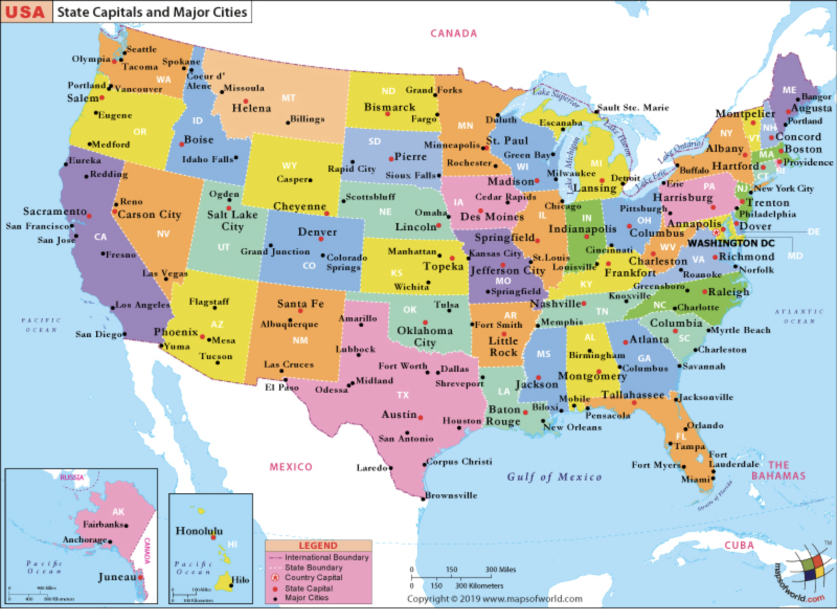
 |  |  | North | West
 | Seattle | 50 | 47.61 | 122.33
 | San Francisco | 180 | 37.78 | 122.42
 | San Diego | 80 | 32.72 | 117.16
 | Orlando | 110 | 28.42 | 81.3
 | Houston | 70 | 29.76 | 95.38
 | Boston | 170 | 42.36 | 71.06
 | Chicago | 200 | 41.84 | 87.68
 | Minneapolis | 50 | 44.98 | 93.27

Source : 200RS6

